Screen Description
 |  |  | [ros-2018] BASIC DESIGN |  |  | System name |  |  | Screen/Module Name
 |  |  |  |  |  | Golden Bowl |  |  | Order Page |  |  |  |  | Version | 2.000
 |  |  |  |  |  |  |  |  |  |  |  |  |  | Create Date | 2018-07-29 | Created By | Oplas, Andrew
 |  |  |  |  |  |  |  |  |  |  |  |  |  | Update Date | 2018-10-17 | Updated by | Oplas, Andrew

Screen Description |  |  |  |  |  |  |  |  |  |  |  |  |  | Purpose

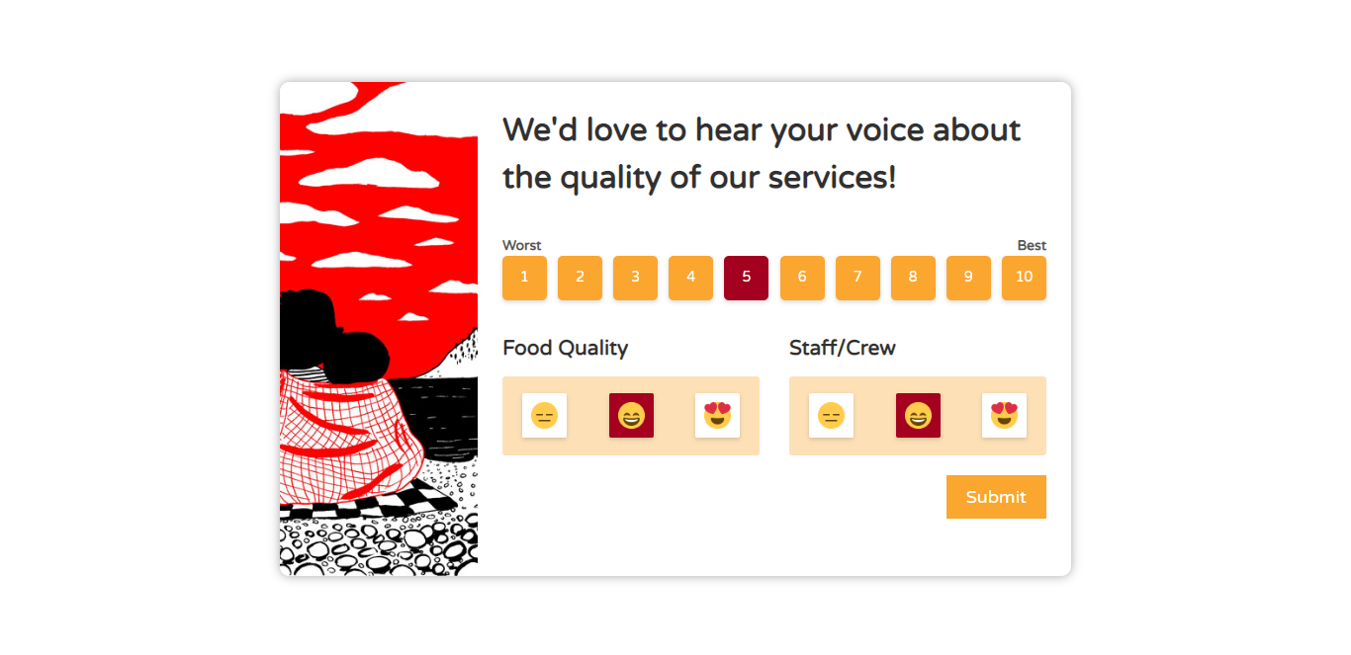
 |  |  |  |  |  |  |  |  |  |  |  |  |  | The purpose of this page is to know the satisfaction of the user towards the food, services and staffs. This will also help the administrator in assessing the overall quality of their restaurant.

 |  |  |  |  |  |  |  |  |  |  |  |  |  | Flow

 |  |  |  |  |  |  |  |  |  |  |  |  |  | The user may arrive in to this page after he/she has paid the bill. User may also get an assistance from any staff to get into this page. After submitting the feedback, user will be redirected back to the landing page.

1
2
3
4
5
6

Screen Details

 | Item | Screen Item |  | Attribute | Mandatory |  | Range of Values | Format |  | Length | Default | Alignment | Remarks
 | 1 | rdbtnServices |  | RadioButton | ○ |  | numeric values | N/A |  | 1 ~ 10 | 5 | Center
 | 2 | rdbtnFoodQuality |  | RadioButton | ○ |  | numeric values | N/A |  | 1 ~ 10 | 2 | Center
 | 3 | rdbtnStaff |  | RadioButton | ○ |  | numeric values | N/A |  | 1 ~ 10 | 2 | Center

